XYZ Vector
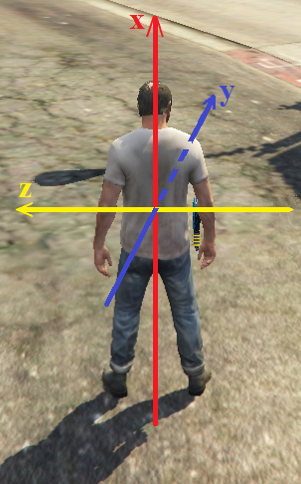
 | - | +
X | Down | Up
Y | Back | Front
Z | Right | Left

